Instructions
Federal Circuit Table B-8 Template
 | Instructions
1 | Open the spreadsheet from the Federal Circuit that contains the court's version of the B-8 .
2 | Copy the entire sheet/tab from the court's B-8 spreadsheet (see Figure 1 on selecting the entire sheet/tab) and, using Paste Special - Values, paste it into the tab marked "Raw Data - Table B-8" in this spreadsheet. Use the method in Figure 1 to select the entire sheet/tab into which to paste to ensure the rows and columns of the data pasted align with the rows and columns of the data copied. See Figure 2 below for an example of Paste Special - Values.
3 | Verify the following on the Formatted Report tab: - Current Year displays properly in the Report Header - Values on the Total line do not contain ERROR or #N/A - None of the fields that should contain data display #N/A
4 | Delete each row of data on the Formatted Report where all columns contain zero/dash. If the row being deleted is the Department of Justice row or the Petitions for Writ row, then evaluate whether the footnotes should be removed or renumbered.
5 | If the Total line contains #N/A, then it is likely that one or more rows contain #N/A, indicating that that row or rows are not in the current year's report. That is, the Source of Appeal, which was in a prior report, is not in this year's report. - Confirm that the Source of Appeal is not in this year's report by checking for the Source of Appeal in the data from the court on the "Raw Data - Table B-8" tab - If the Source of Appeal is not in this year's report, unprotect the "Formatted Report" tab and delete the row containing the missing Source of Appeal. - If the row being deleted is the Department of Justice row or the Petitions for Writ row, then evaluate whether the footnotes should be removed or renumbered.
6 | If the Total line contains ERROR, then it is likely that one or more Sources of Appeal that are being reported by the court this year are missing from the "Formatted Report" tab. - Confirm which Source(s) of Appeal are missing from the "Formatted Report" tab by comparing the list of Sources of Appeal between the "Formatted Report" tab and the "Raw Data - Table B-8" tab - Unprotect the "Formatted Report" tab - Insert a row into the "Formatted Report" tab for each new Source of Appeal, preserving the order of Sources of Appeal (e.g., if a new Source of Appeal appears in the court's B-8 table immediately beneath the Merit Systems Protection Board, then insert a row immediately after the Merit Systems Protection Board row on the "Formatted Report" tab) - Type the name of the new Source of Appeal into the first column of the row you inserted (don't copy the name, unless you use Paste Special - Values as you don't want to inadvertenly copy the formatting from the court's Table B-8) - Copy the formulas from any entire row of data on the "Formatted Report" sheet to the data cells of the new row you inserted (NOTE: do NOT copy the formulas from the Total, Department of Justice, Patent and Trademark Office, or Petitions for Writ rows as these rows have special formulas; any other row will do) - Revalidate the report beginning at step 3 above
7 | Manually verify that the values in each row of the "Pending Beginning of Period" column on the "Formatted Report" tab match the values in the corresponding rows of the "Pending End of Period" column from the Table B-8 published for the same month end, one year immediately preceding the year displayed on the "Formatted Report" tab (i.e., manually verify that the beginning pending numbers for the current period match the ending pending numbers for the period one year prior).
8 | Save the final copy of this completed spreadsheet template to the same folder where the data submitter's information is stored (typically a sub-folder for the program area under S:\JDAO Branch Folders\Data Quality and Production Branch (DQP)). Use a filename that includes the Table name and period ending date (e.g., Federal Circuit Table B-8 Template 2017 09.xlsx).
9 | Print the "Formatted Report" tab of this spreadsheet to PDF and scan the output for formatting and aesthetics (e.g., spacing, formatting, page numbers, anomalies). The PDF should be saved to the folder where final reports are saved (typically a sub-folder for the program area under S:\Quarter Close Tables) using an appropriate name (e.g., Table B-8 2017 09).
10 | Export only the final "Reported Format" sheet/tab to its own file and save as follows: - Navigate to the "Reported Format" sheet/tab - Right-click on the sheet/tab name and select "Unprotect Sheet" (see Figure 3 below) - Select the entire sheet (see Figure 1 below) and copy it by right-clicking on the same place used to select the entire sheet - Select the entire sheet (see Figure 1 below) and Paste Special - Values (see Figure 2 below) - Right-click on the sheet/tab name and select "Move or Copy..." (see Figure 4 below) - In the subsequent dialog box, under the drop down for "To book:", select "[new book]", then select the "Ok" button (see Figure 5 below) - The "Formatted Report" sheet/tab will now appear in a separate worksheet - Save the new worksheet containing only the "Formatted Report" sheet/tab to the folder where final reports are saved (typically a sub-folder for the program area under S:\Quarter Close Tables) using an appropriate name (e.g., Table B-8 2017 09). - Close the new worksheet. - Close the spreadsheet template worksheet without saving it (this is important as the template has now been modified).
 | NOTE: There are slight differences in the loookup formulas from cell to cell on the Formatted Report tabs for the following reasons: (a) to embed cross-checks that assist in identifying any data issues or errors as well as validating calculations and (b) to account for differences in the formatting of row titles. For most cross-checks, if the cross-check fails, the cell will produce a result of ERROR. See the Notes below for more information.
 | NOTE: If changes are made to this spreadsheet template, please update the Document History tab and change the file name to include the new version number. Any updates should be made to the ".xlsx" version of this document and then saved as an Excel Template (".xltx") for use by the program manager. The "Instructions" tab, "Formatted Report" tab, and parts of the "Raw Data - Prior Year A-1" tab of this spreadsheet are protected without a password and therefore must be unprotected to make modifications and re-protected prior to saving as a new version.

 | Notes
1 | Each year, the Federal Circuit may change the list of Sources of Appeals based on whether or not the court has or had cases from any particular Source of Appeal. These changes are the most common reason for errors in this report and are fairly easily accomodated by removing rows or adding rows and copying formulas.
2 | If the Federal Circuit makes any changes to the format of its spreadsheet, this Template will need to be updated including potentially significant changes to formulas and formatting.
3 | There is a slight difference in the lookup formula for the the "Total", "Department of Justice", "Patent and Trademark Office", and "Petitions for Writ" rows on the "Formatted Report" tab. The "Total" row is different to facilitate cross-checking the Total, the other three are different to accomodate differences in formatting (i.e., the superscript footnotes and using "and" vs. "&").

 | Figure 1 - Selecting the entire sheet for copying or pasting.
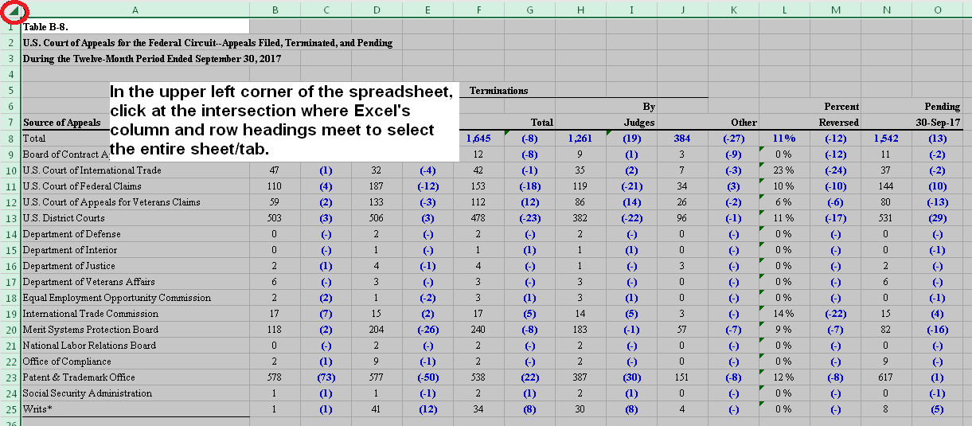

 | Figure 1 - Using Paste Special - Values to paste the court's Table B-8 into the first cell of data in the "Raw Data - Table B-8" tab of this spreadsheet.
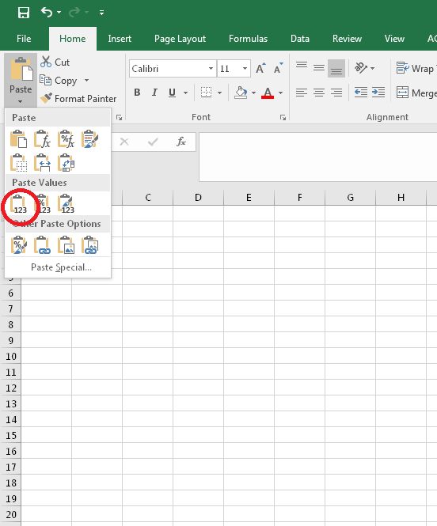

 | Figure 3 - Right-click on "Formatted Report" sheet/tab name and select "Unprotect Sheet"
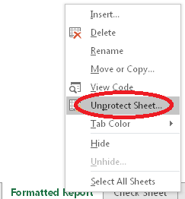

 | Figure 4 - Right-click on "Formatted Report" sheet/tab name and select "Move or Copy…"
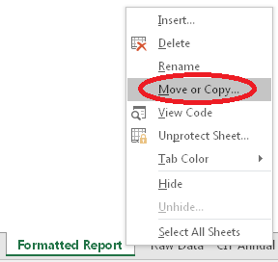

 | Figure 5 - Export "Formatted Report" sheet/tab to its own spreadsheet.
